Business Flow
 | Flow

1.CHANNEL PARTNER
2.MERCHANTDISING
3.PROCUREMENT
4.PRODUCTION

 |  |  | Direct Order
 |  |  | Development

7.FINANCE
5.Quality Checked
6.DELIVERY

Socks manufacturing is not a high-tech industry, but it involves many detailed processes.
Each section of the production must coordinate with each other to ensure quality requirements and time-controlling.
The entire socks production process involves many steps, as shown in the below flow chart. It starts with preparation, design, raw materials, and machine coding.
According to customer requirements and designing drawings, a company prepares yarns, such as veils, polyester, chemical fiber, etc. If necessary, dyed yarns are required.
The quality and cost of socks are highly dependent on raw materials. The socks production company will select the suitable yarn for the customers' needs.
These are followed by knitting socks that involve post-processing, sewing socks, embroidery, printing, and sewing.
After the customized packaging and label packaging is done, socks are transported to the market.

 |  | otf-Order tracking file

START

 |  |  |  |  |  | Reference Sample
Socks Design

 |  |  |  |  |  | Our Design
Raw Materialh
Nylon
Cotton,wool
Polyster

Inline Inspection
Does the Yarn
color match
Dyeing
 |  |  | No

Pairing
 |  |  |  |  | Development
 |  |  |  | Yes

Knitting & Stitch

Clipping/Washing
Quality testing

Quality checking
Sewing Linking

Packing
Need other processing
Other Process
 |  |  | Yes

Final Inspection
Bamboo embriodry printing
Boarding
 |  |  |  |  | PO
 |  |  |  | No
 |  |  |  |  |  |  | Godown

Shipping Go
 |  |  |  |  |  |  | Port

Dashboard
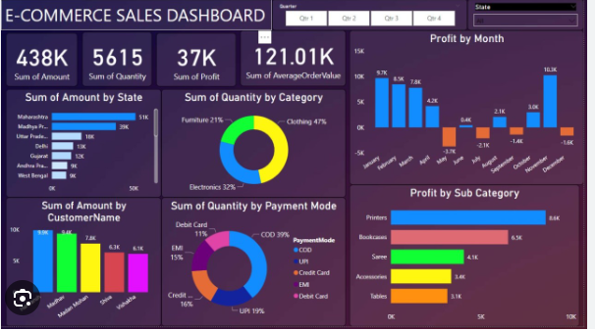
Attribute Details | Details
By Product type | Casual Sock
 | Formal Socks
 | specilality
 | Athletic Socks/SPORTS
By Category type | Classic
 | Golf
 | Football/Soccer
 | Running
 | Sports
 | Not sport specific
 | Tennis
By Raw Material | Nylon
 | Cotton
 | Wool
 | Waterproof Breathable
 | Polyster
By Gender | Male
 | Female
 | Kids
By Distributional channel | Hypermarket and SuperMarket
 | Convinence Store
 | Online
By Geography | North America
 | Europe
 | Asia Pacific
 | South America
 | Middle East
By Channel Partner | Hanes | Domestic | Addidas,Skechers,Reebok,
 | Addidas |  | Toyota,Performax
 | Champion
 | Reebok | International | SAUCONY,Puma
 | Skechers |  | DICKIES
 | Puma |  | CK,Reebok,John Deere,PSD
By Product form/features (Silhouttes) | No show
 | Low cut
 | Ankle
 | Crew
 | Full Crew
By Season | Summer
 | winter
 | Spring
Carton Size | W | Carton Type
 | L | L
 | H | E
Colour for Yarn | White,Grey,Red
Shiping Mode | Sea
 | Rail
 | Air
Product Design Development | New
 | Existing
 | Not Mention
Needle Group/Machine code | 108
 | 144
 | 168 | Total Socks Pairs
PD Size | 6/10
 | 11/14

Socks Packing | Solid(Single color)
 | Assortment(Differet color)

Multi Pack | Two Pair Pack
 | Three Pair Pack
 | One Pair Pack
SAP Grid | 39/42
 | 43/46
 | 40/42
Customer Size | S
 | M
 | L
 | XS
Delivery Status | On time
 | Early shipment
 | 1Week
 | More than one month Delay

